Indices

 | Iraq Stock Exchange
 | Bulletin No (8)
 | ISX Trading Indices of Wednesday 14/1/2026

 | Traded Volume and OTC |  | 345,601,923 |  | Traded Value and OTC |  | 490,410,437 |  | Traders | 650

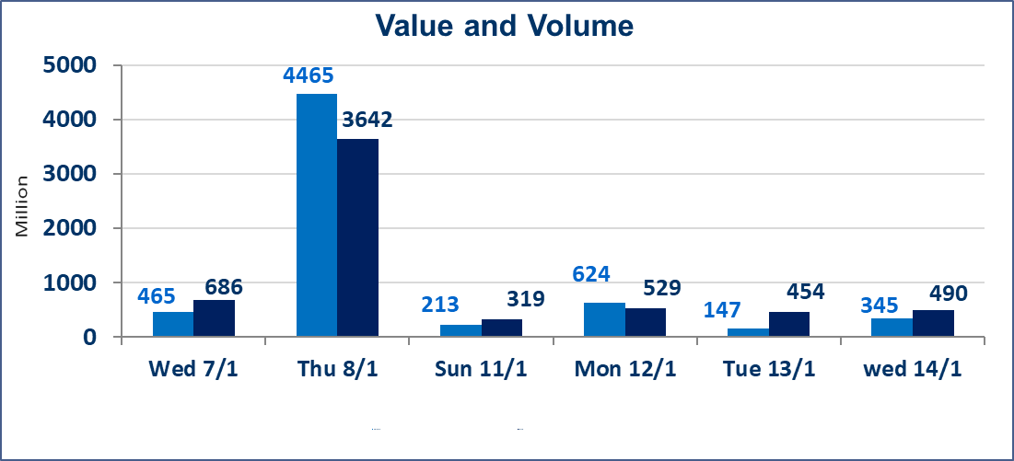
 | ISX Index 60 |  |  | 971.27 | ISX Index 15 |  |  | 1203.76
 | Previous ISX Index60 |  |  | 978.01 | Previous ISX Index15 |  |  | 1208.48
 | Change % |  |  | -0.69 | Change % |  |  | -0.39
 | Change |  |  | -6.74 | Change |  |  | -4.72

 | Listed Companies | 104 | OTC | 14 | Non Traded listed | 43 | OTC | 13
 | Traded Listed Companies | 45 | OTC | 1 | Higher Companies |  |  | 11
 | GAM Companies |  |  | 6 | Lower Companies |  |  | 16
 | Suspended Companies |  |  | 10
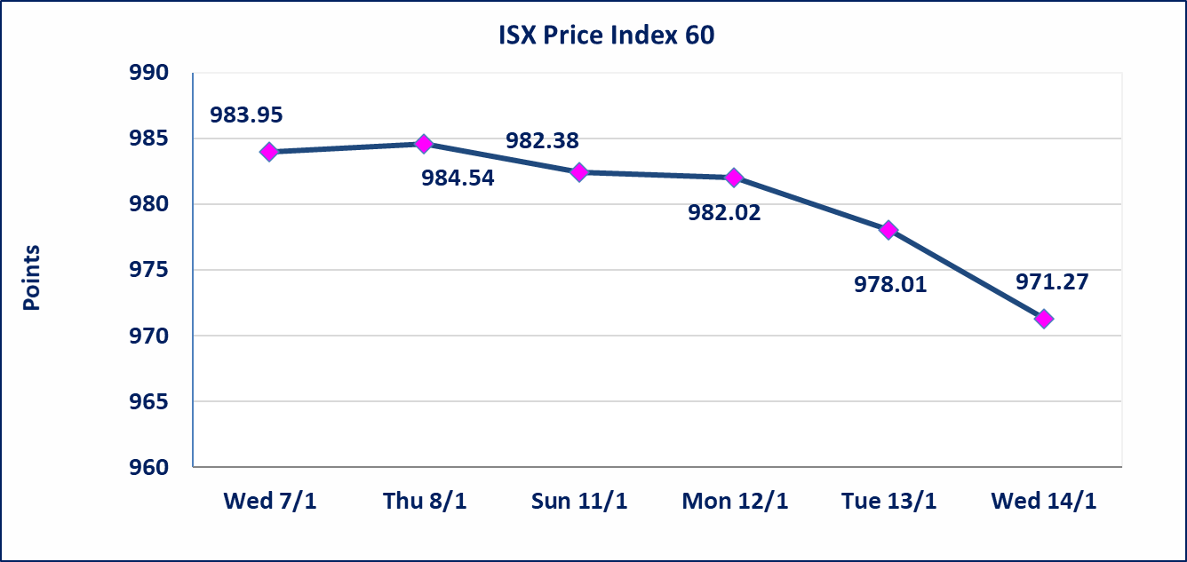
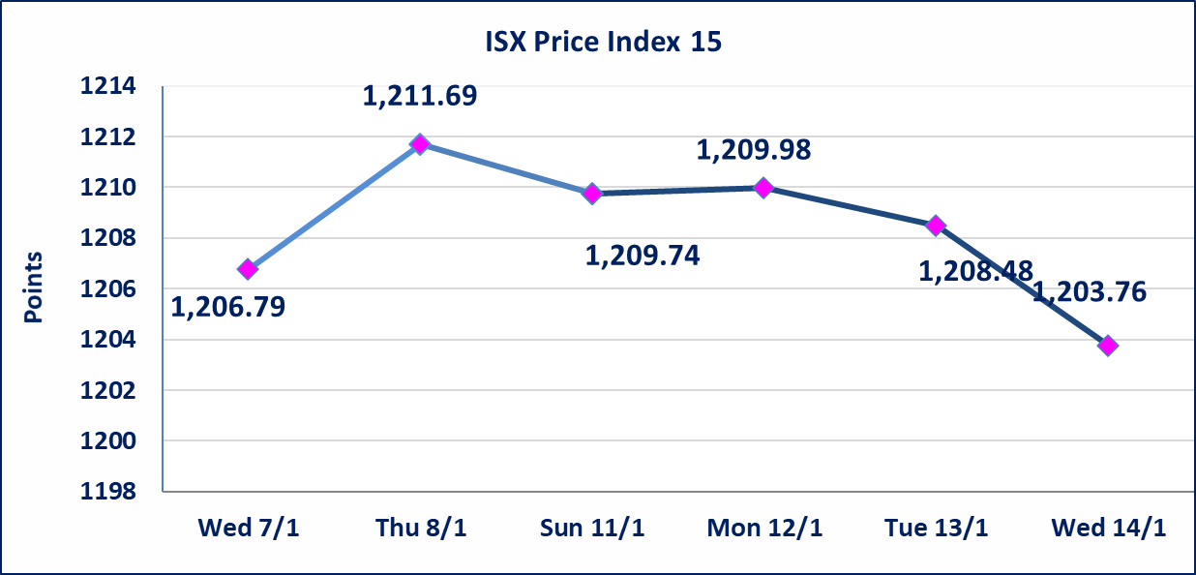

Al-Alwiya P.O . 3607 Mobile: 07711211522 - 07270094594 - 07834000034 E-mail: info-isx@isx-iq.net Web site:www.isx-iq.net

Top 5
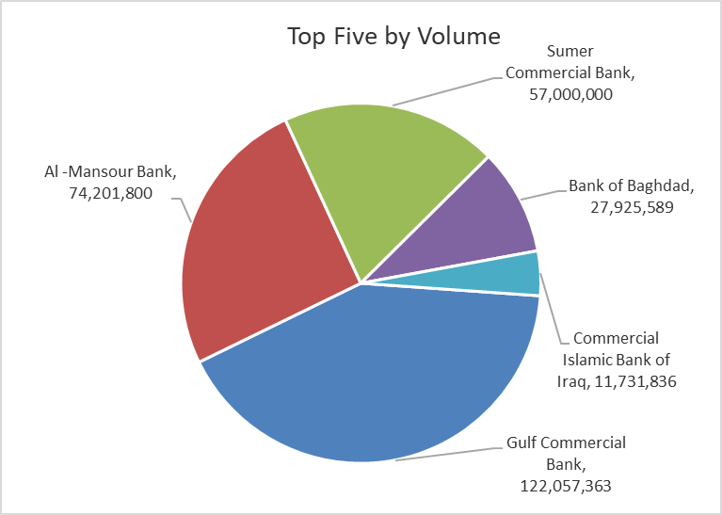
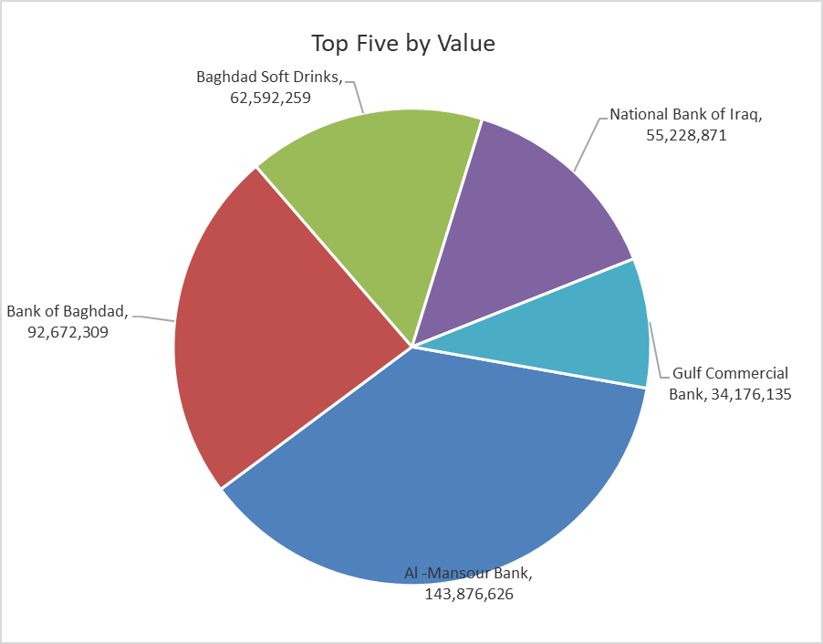

ISX top ganing and losing companies
Wednesday 14/1/2026
 | Gainers |  |  |  | Losers
 | Company Name | Closing Price | Change (%) | Traded Volume | Company Name | Closing Price | Change (%) | Traded Volume
 | Trans Iraq Bank Investment | 0.270 | 12.50 | 30,000 | Baghdad -Iraq Transportation | 23.000 | -8.91 | 127,599
 | Kharkh Tour Amuzement City | 4.300 | 7.50 | 10,000 | Palestine Hotel | 23.890 | -4.97 | 1,194,057
 | Al -Khazer Construction Materials | 1.400 | 6.06 | 419,249 | Gulf Commercial Bank | 0.280 | -3.45 | 122,057,363
 | Modern Construction Materials | 1.150 | 4.55 | 120,000 | Babil Animal & Vegetable Production | 9.200 | -3.16 | 464,691
 | Investment Bank of Iraq | 0.240 | 4.35 | 4,960,923 | General Transportation | 1.760 | -2.22 | 85,505
 | The most active companies in term of traded volume and value

 | Traded Volume |  |  |  | Traded Value
 | Company Name | Closing Price | Change (%) | Traded Volume | Company Name | Closing Price | Change (%) | Traded Value
 | Gulf Commercial Bank | 0.280 | -3.45 | 122,057,363 | Al -Mansour Bank | 1.940 | -1.02 | 143,876,626
 | Al -Mansour Bank | 1.940 | -1.02 | 74,201,800 | Bank of Baghdad | 3.330 | -0.60 | 92,672,309
 | Sumer Commercial Bank | 0.140 | 0.00 | 57,000,000 | Baghdad Soft Drinks | 5.760 | -1.37 | 62,592,259
 | Bank of Baghdad | 3.330 | -0.60 | 27,925,589 | National Bank of Iraq | 4.810 | 0.63 | 55,228,871
 | Commercial Islamic Bank of Iraq | 0.670 | -1.47 | 11,731,836 | Gulf Commercial Bank | 0.280 | -3.45 | 34,176,135

Non Iraqis

Iraq Stock Exchange
Non Iraqis' Bulletin Wednesday Jan 14 2026
Regular Market

Non Iraqi Trading of Regular Market (Buy)
Company Names | Code | No.of trades | Traded Shares | Trading Volume
Banks Sector
Gulf Commercial Bank | BGUC | 1 | 50,000,000 | 14,000,000
Total Bank sector |  | 1 | 50,000,000 | 14,000,000
Grand Total |  | 1 | 50000000 | 14000000

Non Iraqi Trading of Undisclosed Platform (Sell)
Company Names | Code | No.of trades | Traded Shares | Trading Volume
Industry Sector
Al -HiLal Industries | IHLI | 1 | 100,000 | 177,000
Total Industry sector |  | 1 | 100,000 | 177,000
Grand Total |  | 1 | 100000 | 177000

